Instructions--Read Me First!
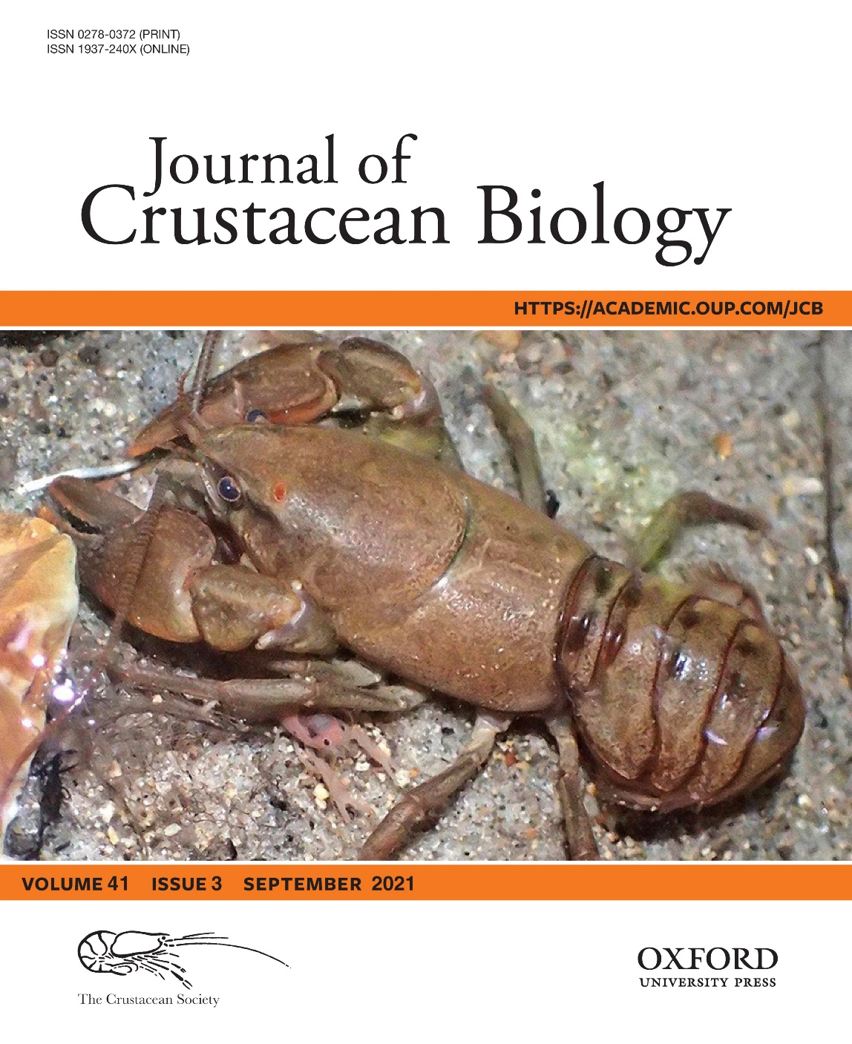
This is a supplementary file providing two interactive, self-explanatory Microsoft Excel spreadsheet-based calculator files. Calculators were developed to perform the chimney air velocity predictive model. The interactive calculator files are publicly available at:

https://github.com/ Hisham-Abdelrahman/Chimney

Cite James A Stoeckel, Mary Szoka, Hisham A Abdelrahman, Jeremiah D Davis, David M Blersch, Brian S Helms, Crayfish chimneys function as burrow-ventilation structures, Journal of Crustacean Biology, Volume 41, Issue 3, September 2021, ruab045,

https://doi.org/10.1093/jcbiol/ruab045

Article URL
https://academic.oup.com/jcb/article-abstract/41/3/ruab045/6366052?redirectedFrom=fulltext

Correspondence: J.A. Stoeckel; e-mail: jimstoeckel@auburn.edu

